Sheet1
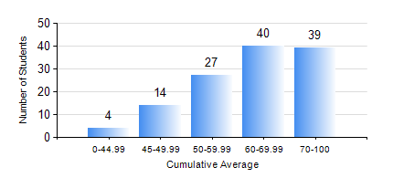
 |  |  | KWAME NKRUMAH UNIVERSITY OF SCIENCE AND TECHNOLOGY, KUMASI Department of Petroleum Engineering

 |  |  | BSC. PETROLEUM ENG.

 |  |  | COMPREHENSIVE RECORD OF EXAMINATION RESULTS

 |  |  | RESULTS OF YEAR 1 FIRST SEMESTER, 2019/2020 ACADEMIC YEAR

 | Sn | Course Code |  | Course Name | Credit Hours | Min. Mark | Max. Mark | Avg. Mark | Std. Dev. | No. Passed | No. Trailed | No. (Df) | No. (I) | No. (I*) | No. Tagged(I,I*,Df) | Total
 | 0. |  |  |  |  |  |  | 0 | 0 | 0 | 0 | 0 | 0 | 0 | 0 | 1
 | 1. | CHE 151 |  | INORGANIC CHEMISTRY FOR ENGINEERS | 2 | 17 | 95 | 68 | 13.43 | 122 | 1 | 0 | 0 | 0 | 0 | 123
 | 2. | CHE 153 |  | ORGANIC CHEMISTRY FOR ENGINEERS | 2 | 19 | 89 | 57 | 13.72 | 119 | 4 | 0 | 0 | 0 | 0 | 123
 | 3. | CHEM 169 |  | PRACTICAL CHEMISTRY I | 3 | 18 | 77 | 61 | 9.8 | 121 | 2 | 0 | 0 | 0 | 0 | 123
 | 4. | EE 151 |  | APPLIED ELECTRICITY | 3 | 17 | 95 | 68 | 17.84 | 116 | 7 | 0 | 0 | 0 | 0 | 123
 | 5. | ENGL 157 |  | COMMUNICATION SKILLS I | 2 | 18 | 76 | 56 | 8.77 | 122 | 1 | 0 | 0 | 0 | 0 | 123
 | 6. | MATH 151 |  | MATHEMATICS I | 4 | 26 | 95 | 71 | 14.23 | 122 | 1 | 0 | 0 | 0 | 0 | 123
 | 7. | ME 159 |  | TECHNICAL DRAWING | 2 | 15 | 76 | 54 | 9.43 | 122 | 1 | 0 | 0 | 0 | 0 | 123

